How to Download
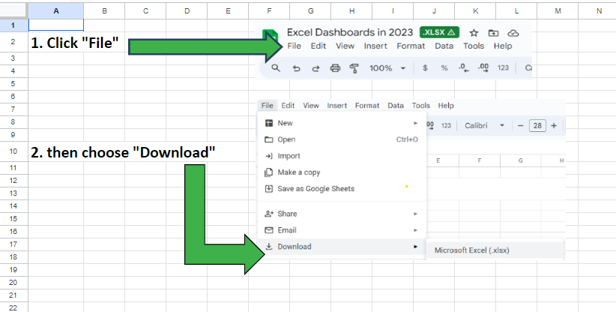

Dashboard
 | Total
Avg Job Sat % | 57%
Avg Job Unsat % | 43%
Employees per Month
 | Total
23-Jan | 24
23-Feb | 21
23-Mar | 15
23-Apr | 9
23-May | 10
22-Jun | 13
23-Jun | 9
22-Jul | 15
23-Jul | 15
23-Aug | 24
23-Sep | 9
22-Oct | 10
22-Dec | 13
 | Total
Security | 94
Technical Support | 93
 | Total
Adobe | 15
Alphabet | 15
Amazon | 14
Broadcom | 9
Jobstreet | 15
Meta | 8
Oracle | 13
Pinterest | 9
Salesforce | 15
Shopify | 13
Snapchat | 9
Tencent | 13
Threads | 10
Tiktok | 10
Viber | 9
Youtube | 10
 | Total
Avg Job Sat % | 57%
Avg Job Unsat % | 43%
FILTERS
BY YEAR:
BY MONTH:
BY JOB TITLE:
SOCIAL MEDIA HR ANALYTICS DASHBOARD
Total Employees
Avg BiweeklyPay
Average Tenure
Job Satisfaction %
Overall Job Satisfaction %
Employees per Month
Employees per Job Title
Employees per Department
187.0
$5,066.44
7.9
57%

